Bug Report
NO. | BUG REPORT ID | SUMMARY | STEP TO REPRODUCE | ACTUAL RESULT | EXPECTED RESULT | SEVERITY | PRIORITY | ATTACHMENT
1 | BD-LG-01 | User can login without internet | - Env : Production | https://www.saucedemo.com - Platform : Web - Test data : standard_user/secret_sauce - Steps : 1. Open web https://www.saucedemo.com 2. fill test data on column login 3. Disconnected internet 4. Click "Login" | 1. User can login | 1. User should be cann't login | CRITICAL | HIGH | 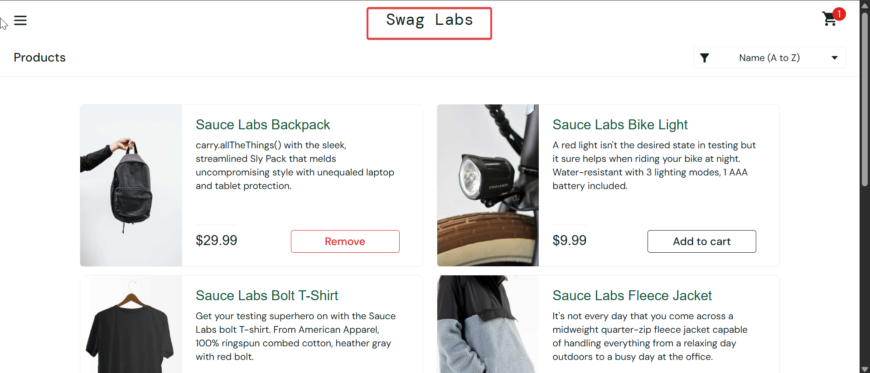
2 | BD-Sorting-01 | User can sorting without internet | - Env : Production | https://www.saucedemo.com - Platform : Web - Test data : standard_user/secret_sauce - Steps : 1. Open web https://www.saucedemo.com 2. login with correct username and password 3. Disconnected internet 4. Click "sortir menu Z-A" | 1. User can sorting item | 1. User should be cann't sorting the item list | CRITICAL | HIGH
 | BD-Logout-01 | User can logout without internet | - Env : Production | https://www.saucedemo.com - Platform : Web - Test data : standard_user/secret_sauce - Steps : 1. Open web https://www.saucedemo.com 2. login with correct username and password 3. Disconnected internet 4. Click "Logout Button" | 1. User can logout | 1. User should be cann't logout without internet | CRITICAL | HIGH | 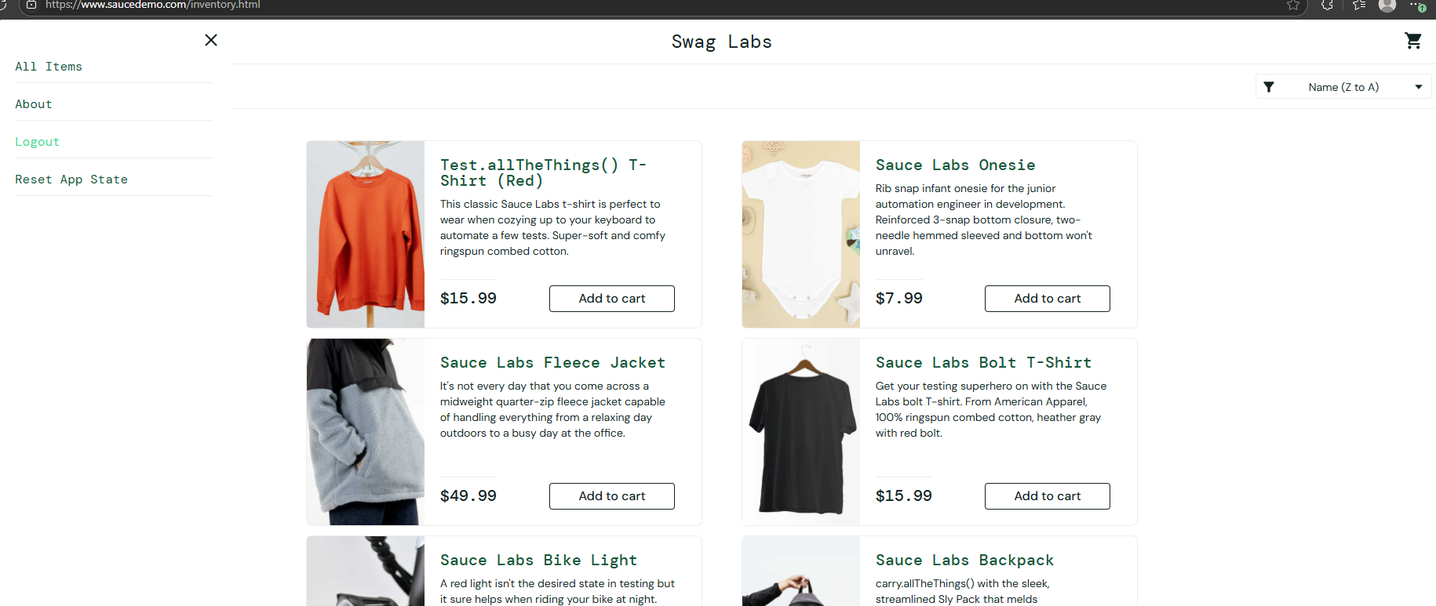
 | BD-Logout-02 | user can logout only change the url | - Env : Production | https://www.saucedemo.com - Platform : Web - Test data : standard_user/secret_sauce - Steps : 1. Open web https://www.saucedemo.com 2. login with correct username and password 3. After login the url now "https://www.saucedemo.com/inventory.html" 3. change the url to "https://www.saucedemo.com" | 1. User can logout | 1. User should be cann't logout without internet | CRITICAL | HIGH | 